Practice 1
TEMPLATE # 1:

The Osbourne Concrete Company has plants in three locations and is currently working on three major construction projects, each located at a different site. The shipping cost per truckload of concrete, daily plant capacities, and daily project requirements are provided in the table below.
Data table:
 |  | Project A | Project B | Project C | Capacity
 | Plant 1 | 10 | 4 | 9 | 80
 | Plant 2 | 12 | 6 | 8 | 40
 | Plant 3 | 8 | 9 | 5 | 30
 | Requirements | 50 | 40 | 60
 |  |  |  |  |  |  | Project A | Project B | Project C | Capacity
 |  |  |  |  |  | Plant 1 | 10 | 4 | 9 | 80
 |  |  |  |  |  | Plant 2 | 12 | 6 | 8 | 40
Shipment table |  |  |  |  |  | Plant 3 | 8 | 9 | 5 | 30
 |  | Project A | Project B | Project C | Capacity | Requirements | 50 | 40 | 60
 | Plant 1 | 40 | 40 | 0 | 80
 | Plant 2 | 0 | 0 | 40 | 40
 | Plant 3 | 10 | 0 | 20 | 30
 | Requirements | 50 | 40 | 60

Objective (min) | 1060

ALTERNATIVE TEMPLATE:

New Hires
A company has three new hires: Jones, Smith, and Wilson. They can be sent to any one of four offices: in Omaha, Dallas, New York, or Miami.
Only one candidate can be sent to each office.
Assignment Problem Template

Cost Table(Given) | Relocation
 | Omaha | Miami | Dallas | New York
Jones | $800 | $1,100 | $1,200 | $1,000
Smith | $500 | $1,600 | $1,300 | $800
Wilson | $500 | $1,000 | $2,300 | $1,500

Assignment Table | Relocation
 | Omaha | Miami | Dallas | New York | Total | Sign | "Each candidate gets assigned an office"
Jones | 0 | 1 | 0 | 0 | 1 | = | 1
Smith | 0 | 0 | 0 | 1 | 1 | = | 1
Wilson | 1 | 0 | 0 | 0 | 1 | = | 1
Total: | 1 | 1 | 0 | 1
 | <= | <= | <= | <=
 | 1 | 1 | 1 | 1

 |  |  | Summary Sentence:
Objective(min) | $2,400 |  | Sent Jones to Miami, Smith to New York, and Wilson to Omaha for a total relocation cost of $2,400.

MLB
Crews of Major League Baseball (MLB) umpires are currently in the cities of Seattle, Arlington, Oakland, and Baltimore. The crews need to get sent to games that are soon beginning in Kansas City, Chicago, Detroit, and Toronto. Estimated travel distances (in miles) between the cities are shown in the table.
Due to a union requirement, the MLB is not allowed to send any crew from Oakland to Toronto.
Assign one umpire crew to each city (only one per city) to minimize the total distance traveled.
Distance(mi)
 | to:
from: | Kansas City | Chicago | Detroit | Toronto
Seattle | 1500 | 1730 | 1940 | 2070
Arlington | 460 | 810 | 1020 | 1270
Oakland | 1500 | 1850 | 2080 | x
Baltimore | 960 | 610 | 400 | 330

Assignment
 | to:
from: | Kansas City | Chicago | Detroit | Toronto | Total | Sign | No. of umpire
Seattle | 0 | 0 | 1 | 0 | 1 | = | 1
Arlington | 0 | 1 | 0 | 0 | 1 | = | 1
Oakland | 1 | 0 | 0 | 0 | 1 | = | 1
Baltimore | 0 | 0 | 0 | 1 | 1 | = | 1
Total | 1 | 1 | 1 | 1
Sign | = | = | = | =
No. of umpire | 1 | 1 | 1 | 1

Objective(min) | 4580

Practice 2
Richard Whiteless, chairman of a college’s business department, has decided to apply a new method in assigning professors to courses next semester. As a criterion for judging who should teach each course, Professor Whiteless reviews the past two years’ teaching evaluations (which were filled out by students). Since each of the four professors taught each of the four courses at one time or another during the two-year period, Whiteless is able to record a course rating for each instructor. These ratings are shown in the following table. Find the best assignment of professors to courses to maximize the overall teaching rating.

 | Statistics | Management | Finance | Economics
Bain | 80 | 85 | 95 | 40
Carey | 85 | 30 | 75 | 65
Dio | 90 | 55 | 80 | 70
Powell | 55 | 80 | 65 | 50

 | Statistics | Management | Finance | Economics
Bain | 0 | 0 | 1 | 0 | 1 | = | 1
Carey | 1 | 0 | 0 | 0 | 1 | = | 1
Dio | 0 | 0 | 0 | 1 | 1 | = | 1
Powell | 0 | 1 | 0 | 0 | 1 | = | 1
 | 1 | 1 | 1 | 1
 | = | = | = | =
 | 1 | 1 | 1 | 1

Summary Sentence:
Bain teaches Finance, Carey teaches Statistics, Dio teaches Economics, and Powell teaches Management using solver. While Bain teaches Finance, Dio teaches Statistics, Carey teaches Economics, and Powell teaches Management using the table above.
Objective(max) | 330

Module Quiz
Part I
Maxie and Bianca own Umbrella Corporation, LLC, and they are the top producers of high quality Johns Hopkins Basketball jerseys.
Despite prior team records, these jerseys are in hot demand.
Maxie and Bianca operate two factories, Factory 1 and Factory 2. They have large orders from retail stores in three locations: Store A, Store B, and Store C.
The transportation costs from Factory 1 to the three stores are $22, 14, and $30 per jersey, respectively.
The transportation costs from Factory 2 to the three stores are $16, $20, and $24 per jerrespectively.
Factory 1 can produce at most 100 jerseys in a week. Factory 2 can produce at most 120 jerseys in a week.
Stores A, B and C demand 80, 60, and 70 jerseys each week.
The manufacturing costs are $6.00 per jersey at Factory 1 and $6.25 per jersey at Factory 2.
Maxie and Bianca are savvy businesswomen and want to minimize their costs.
Find the number of jerseys that should be shipped from each factory to each store such that the total costs from transportation and manufacturing are minimized.

Data table: |  | Destination
 |  | Store A | Store B | Store C | Output | Cost per unit | Prod. Cost
Sources | Factory 1 | 22 | 14 | 30 | 100 | $6.00 | $600.00
 | Factory 2 | 16 | 20 | 24 | 120 | $6.25 | $750.00
 | Demand | 80 | 60 | 70

Shipment table: |  | Destination
 |  | Store A | Store B | Store C | Total |  | Output
Sources | Factory 1 | 30 | 60 | 0 | 90 | <= | 100
 | Factory 2 | 50 | 0 | 70 | 120 | <= | 120
 | Total | 80 | 60 | 70
 |  | = | = | =
 | Demand | 80 | 60 | 70

Objective(min) | $3,980 | <--min. transfortation costs
 | $1,350 | <--total production costs
 | $5,330 | <--total minimal costs

Summary Sentence:
The minimal transportation cost is $3,980, and the total production costs of Factory A and B is $1,350. Therefore the total minimal cost including transfortation and production is of $5,330.

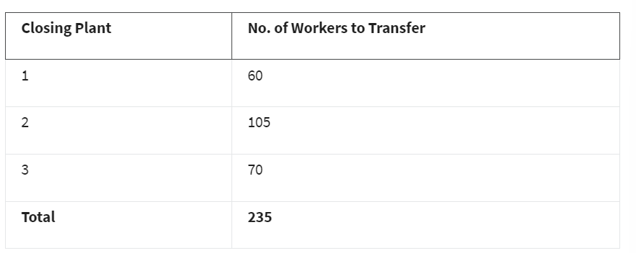
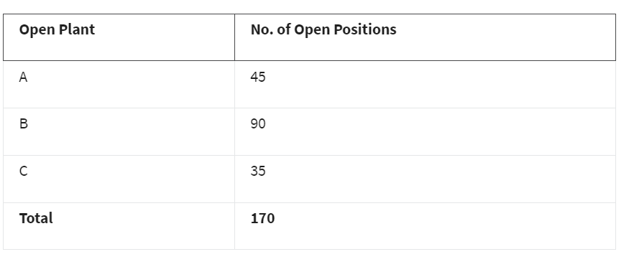
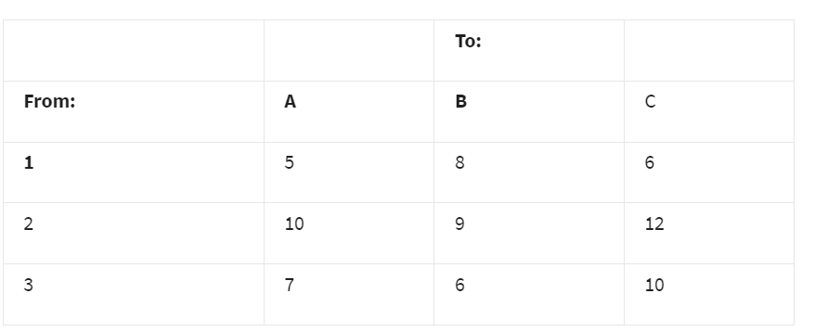
Part II
Maxie is leaving the Johns Hopkins Basketball jersey making business and is closing three of her factories. She would like to reassign all 235 of her best workers to Bianca's remaining factories.
However, demand for skilled labor in the basketball jersey making market has decreased. Bianca has three open plants that have openings, but not enough for all 235 employees looking to be transferred. The below table summarizes Bianca's current needs:
Each worker who fills an open position on the assembly line will increase the number of basketball jerseys produced per day at each plant as shown in the following table:
Determine how to assign workers from the closing plants to the open plants in order to maximize product output.

 | To
From | A | B | C
1 | 5 | 8 | 6
2 | 10 | 9 | 12
3 | 7 | 6 | 10

 | To
From | A | B | C | Total |  | Closing Plant Emp.
1 | 0 | 60 | 0 | 60 | <= | 60
2 | 45 | 30 | 30 | 105 | <= | 105
3 | 0 | 0 | 5 | 5 | <= | 70
Total | 45 | 90 | 35
 | = | = | =
Open Plant Emp. | 45 | 90 | 35

objective(max) | 1610 | <-- jerseys per day

Summary Sentence:
Using Solver the maximum product increase is 1610 jerseys per day. This has been achieved with the following assignments:
All 60 workers from Plant 1 are reassigned to Plant B.
All 105 workers from Plant 2 are reassigned: 45 workers go to Plant A, 30 workers go to Plant B, and 30 workers go to Plant C.
5 workers from Plant 3 are reassigned to Plant C. The rest of the workers from Plant C are dismissed.

